Thermometer
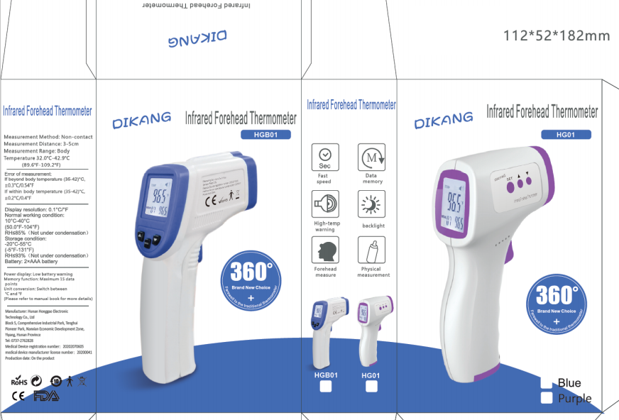
Thermometer Kit
Item Brand: Dikang

Certificates & Standards:
https://www.accessdata.fda.gov/scripts/cdrh/cfdocs/cfRL/rl.cfm

Price per piece, EXW Hong Kong (USD) | $6.950
Package
QTY pcs per box/bag | 1
QTY boxes per Carton | 30
QTY pcs per Carton, pcs | 30
Carton Gross Weight, kg | 5.00 | Carton dimensions,cm
Carton Volume, CBM | 0.039 | 37 | 29 | 36

Quote
Order Quantity, pcs: | 44,000
Order Quantity boxes/bags | 44,000
Order Quantity Cartons | 1,467

Total Volume, CBM | 56.654
Total weight, kg | 7,333

Shipping by Air | 1467 | Cartons
Chargeable weight per Carton, kg | 6.44 | 9,442.40
Airfreight per kg, (USD) | $7.24
Airfreight per Carton, (USD) | $46.61
Airfreight per piece, (USD) | $1.554
Total Freight charges, (USD) | $68,363
Total Value CNF, (USD) | $68,363
CNF per piece,(USD) | $1.554 | EXCHANGE RATE
CNF Australia by Air /piece (AUD) | 1.554 | 1 AUD= | 1 | USD
Inland cost Australia | 2,000.000
TGA Registration | 0.000
Prepaid GST
Customs clearance
Storage

Shipping by sea : one 40FT Container Loading | 1,400 | Cartons
Quantity pieces per 40FT Container | 42,000
Ocean freight charges per 40FT Container | $4,000
Inland cost export country per 40FT Container | $1,000
Inland cost import country per 40FT Container | $1,000

Quantity 40FT Containers per order | 1.05
Quantity pieces per order | 44,000
Value EXW per order, (USD) | $0
Ocean freight per order, (USD) | $4,190
Inland cost export country per order,(USD) | $1,048
Insurance per order (% of EXW value),(USD) | $0 | 0.00%
Customs per order (% of EXW value),(USD) | $0 | 0.00%
Inland cost import country per order, (USD) | $1,048

Terms of Trade TBA
Deposit with Purchase Order
Balance before shipping
Subject to change and prior sale

